Sheet2
Top 10 Routes (Last 30 Days)

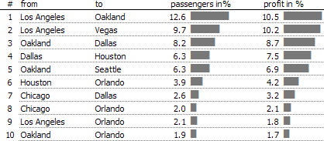
North
South
West

Pcnt of Revenue
35%
Pcnt of Revenue
23%
Pcnt of Revenue
44%

YTD Units
YTD Margin
YTD Units
YTD Margin
YTD Units
YTD Margin
2,178
22%
2,256
24%
2,025
18%

35% of Total Revenue
23% of Total Revenue
44% of Total Revenue
 | North | South | East | West
 | 0.35 | 0.23 | 0.44 | 0.22
Product A | 539 | 400 | 430 | 397
North
South
West
Product B | 262 | 434 | 400 | 759
Product C | 452 | 616 | 697 | 400
Product D | 925 | 807 | 523 | 523

Units By Product
North

YTD Margin
22%

YTD Units
2,178

Avg $ Per Unit
$67

Get Raw Data Output

